U12Mix
CLUB |  | U12 MIX | PG | PP | PA | PR | AVG | PTS
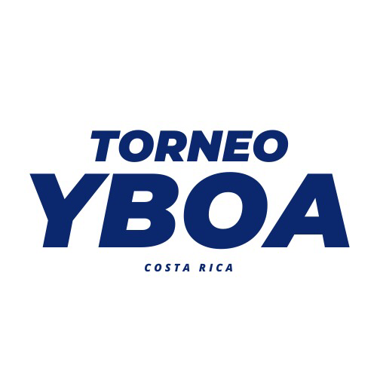
1 | OBA Orotina | 1 | 5 |  | 164 | 62 | 102 | 10
2 | Basket Consultans | 1 | 3 |  | 127 | 72 | 55 | 6
3 | ASOHEBA Heredia | 1 |  | 3 | 78 | 88 | -10 | 6
4 | Academia de Baloncesto ADR | 1 | 2 |  | 52 | 30 | 22 | 4
5 | Panamerican School | 1 | 1 | 2 | 82 | 71 | 11 | 4
6 | Palmares | 1 | 1 | 2 | 42 | 79 | -37 | 4
7 | Academia Bayron Parajeles - Cañas | 1 |  | 2 | 16 | 59 | -43 | 2
8 | LCR BMS | 1 |  | 2 | 18 | 95 | -77 | 2
9 | SEP ITL Falcons | 1 |  | 1 | 9 | 32 | -23 | 1
10 | Pérez Zeledón JK | 1 |  |  |  |  | 0 | 0
11 | Roswell | 1 |  |  |  |  | 0 | 0
12 | Escazú | 1 |  |  |  |  | 0 | 0
 | TOTAL | 12

U12 Fem

CLUB |  | U12 FEM | PG | PP | PA | PR | AVG | PTS

1 | Metrópoli Basketball Academy | 1 | 2 |  | 61 | 31 | 30 | 4
2 | Gold San José | 1 | 1 | 1 | 61 | 42 | 19 | 3
3 | Santa Ana | 1 |  | 3 | 31 | 115 | -84 | 3
4 | Barva | 1 | 1 |  | 43 | 8 | 35 | 2
 | TOTAL | 4

