U12Mix
CLUB |  | U12 MIX | PG | PP | PA | PR | AVG | PTS
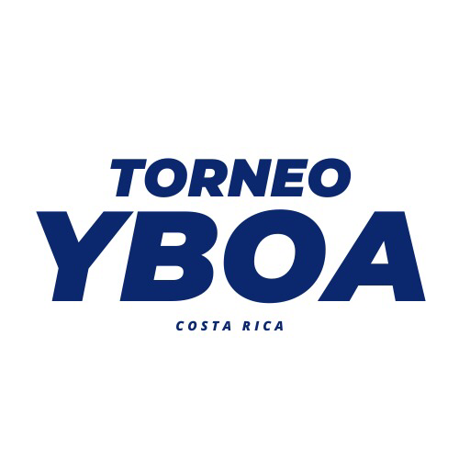
1 | Basket Consultans | 1 | 8 | 0 | 296 | 166 | 130 | 16
2 | OBA Orotina | 1 | 7 | 1 | 305 | 143 | 162 | 15
3 | Academia de Baloncesto ADR | 1 | 6 | 1 | 217 | 92 | 125 | 13
4 | ASOHEBA Heredia | 1 | 4 | 5 | 238 | 241 | -3 | 13
5 | Academia Bayron Parajeles - Cañas | 1 | 4 | 3 | 135 | 135 | 0 | 11
6 | Palmares | 1 | 4 | 3 | 149 | 165 | -16 | 11
7 | Escazú | 1 | 2 | 6 | 162 | 277 | -115 | 9
8 | LCR BMS | 1 | 2 | 5 | 139 | 284 | -145 | 9
9 | SEP ITL Falcons | 1 | 2 | 4 | 104 | 139 | -35 | 8
10 | Pérez Zeledón JK | 1 | 1 | 5 | 79 | 92 | -13 | 7
11 | Panamerican School | 1 | 1 | 4 | 109 | 159 | -50 | 6
12 | Roswell | 1 | 0 | 4 | 53 | 73 | -20 | 3
 | TOTAL | 12

U12 Fem

CLUB |  | U12 FEM | PG | PP | PA | PR | AVG | PTS

1 | Barva | 1 | 6 | 0 | 125 | 56 | 69 | 12
2 | Metrópoli Basketball Academy | 1 | 4 | 3 | 147 | 98 | 49 | 10
3 | Gold San José | 1 | 3 | 3 | 131 | 103 | 28 | 9
4 | Santa Ana | 1 | 0 | 6 | 69 | 190 | -121 | 6
 | TOTAL | 4

